Summary of Buyer Profiles
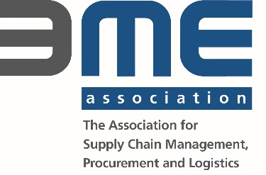
CEE Procurement and Supply Forum | 16 Oct 2018 | Prag

Short Profile Purchaser
Country | Germany | Germany (also US, Asia and Europe) | Germany | Germany | Germany
Company Name | BLOCK Transformatoren-Elektronik GmbH | Boyd Corporation GmbH | Bühler Technologies GmbH | Chr. Karl Siebenwurst GmbH & Co. KG | Diehl Aerospace | Diehl Defence GmbH & Co. KG
Employees buying company | 1200 | ca. 5500 | 150 |  | 1,100 | 50
Turnover buying company in EUR | 80Mio.€ | ca. 1 Billion | 26mio. |  | 330M€ | 300 Mi. EUR
Correspondence Language(s) | DE/EN | e.g. DE / EN | DE/ EN | DE / EN | english & german | e.g. DE / EN
Company-Homepage | www.block.eu | www.boydcorp.com | www.buehler-technologies.com | www.siebenwurst.com | http://www.diehl-aerosystems.com | www.diehl-defence.com
What is the Company’s Industry / Business Sector | electrical | several (Automotiv, Electrical, Industrial, etc.) | machinery/ equipment for gas analysis | Mould manufacturer, specialized for automotive industry | Aerospace
Are you generally interested in Metal Working? Stamped/ turned/ milled/ pressed/ welded parts, tubes, coils, forging, casting (alu, steel, investment, bronze, iron, grey, spheroidal, …) etc. | no | yes | Yes | yes | Yes, aluminium turned / milled / stemped & bent parts / profiles / mechanical manufacturing services (mechaical assemblies) | yes
Are you generally interested in Plastics / Electronics? pressed, stamped, moulded parts, motors, cable wires, etc. | yes, Power supplies and PCBA | yes | Plastics | no | Yes, Injection moulding, plastic extrusion, optical parts, cable & wire harness, EMS & PCB Assembly | yes
Are you generally interested in Complementary Goods? O-Rings, screws, … | no | yes | Yes | yes | No | yes
Are you generally interested in one of the following? paintings, surface treatment, tool construction | no | yes | yes / no | no | No, metal supplier should cover this | yes
Products of current interest | Transformers, Chokes, Reactors, Switch-Mode Power Supplies, PCBA -> as a long term manufacturing partner in additon to our own production | polyurethane and silicone foam, aluminium parts, foam, bronze parts, thermoplastics, resin, adhesive tape, and some others. | turning/ milling parts, sheet metal parts, moulded plastics, mounting, sensors, white wine | 1) Standard parts for tools, enjector pins as example (norm parts) 2=)Subcontracting for big parts up to 2500x1500 (5-axis-machining, Erosion, Deep-hole-boring, sufrace treatmenet as Polishing, Hardening, Graining,…) 3) Mould plates / mould frames / ... 4) Raw materials (tool steel, aluminium) | Aerospace Products: Housing Shells / Profiles Connection Cable, Wiring Harness | Please see the above mentioned parts
Interested in Mass Production | yes | no | depends | no |  | no
Supplier's Export Share (%) | - |  | 0.85 | no requirement | ≥ 20% | no comment
Which certificates are a must have for a supplier? | ISO9001 or similar, experience with UL | min. ISO 9001 | depends, but ISO 9001 ist a must. | ISO9001 should be avaiable | ISO 9100 (or at least 9001 + gap audit) ISO 14001 (or equivalent) ISO 27001 nice to have | EN 9001, better EN 9100
Expected turnover of the supplier company in EUR | - |  | doesn´t matter | no requirement | ≥ 10 - 15M€ | no comment
Minimum employees the supplier company should have | - | - | doesn´t matter | no requirement | ≥ 100 | no comment

CEE Procurement and Supply Forum | 16 Oct 2018 | Prag

Short Profile Purchaser
Country | Germany | D | Germany | Austria | Germany | Deutschland
Company Name | Element System GmbH | Elotherm | Gebr. Heller Maschinenfabrik GmbH | HOLZ-HER Maschinenbau GmbH | ILLIG Maschinenbau GmbH & Co. KG | KIEFEL GmbH
Employees buying company |  | 250 | 1500 | 400 | 700 | nur Standort Freilassing über 500 MA
Turnover buying company in EUR |  | 55 | 450 Mio. EUR | 100000000 | 150 | 155 Mio.EUR
Correspondence Language(s) | e.g. DE / EN | DE, EN | DE / EN | DE / IT / EN | e.g. DE / EN | DE
Company-Homepage | www.element-system.com | www.sms-elotherm.com | www.heller.biz | www.holzher.de | www.illig.de | www.kiefel.com
What is the Company’s Industry / Business Sector | Metal industry | Induction hardening, - welding, - melting, - heating | Machining industry | wood working machines | Maschinenbau / mechanical engineering | Herstellung von Maschinen
Are you generally interested in Metal Working? Stamped/ turned/ milled/ pressed/ welded parts, tubes, coils, forging, casting (alu, steel, investment, bronze, iron, grey, spheroidal, …) etc. | yes | yes | yes | yes | yes | ja
Are you generally interested in Plastics / Electronics? pressed, stamped, moulded parts, motors, cable wires, etc. | yes | yes | yes | yes | no | nein
Are you generally interested in Complementary Goods? O-Rings, screws, … | no | yes | no | no | no | ja
Are you generally interested in one of the following? paintings, surface treatment, tool construction | yes | yes | no | no | no | nein
Products of current interest | Wooden shelves, wire products, brackets | steelconstruction incl machinin, plastic parts mainly GPO3, soldered copper parts for cooling purposes | turned, milled, welded parts, casting (steel, grey) | welded steel constructions - also with machining, milled parts, lasered metal parts, laser-bending-welding-coating parts | Formen aus Alu-, grau- und Spheroguss (molds); Fördertechnik / Förderbänder (conveyor belts); Mechanische Bearbeitung / Blechbaugruppen / Gestelle (metal working, sheet metal working, frame); Maschinenbau (mechanical engineering); Werkzeugbau für Thermoformwerkzeuge (tool building for thermoform-tools) | Zeichnungsteile - Blechteile, Verzahnungsteile (Zahnstange, Zahnräder), Zerspanung, Stahlbau (Gestelle, Schweißteile), Baugruppe (kleinere mechanische Baugruppen - Fertigung einzelteile incl. Montage), Gussteile (Abguss, Gussbearbeitung)
Interested in Mass Production | yes | no | no | series production | no | nein (eher Einzelteilfertiger)
Supplier's Export Share (%) |  |  |  | 60 |  | nicht wichtig
Which certificates are a must have for a supplier? |  | DIN Iso 9000 ff or similar | VDA 6.4 2015 | ISO 9000ff |  | nicht wichtig
Expected turnover of the supplier company in EUR |  | no expectation |  | € MIO 1,5-2 |  | nicht wichtig
Minimum employees the supplier company should have |  | 25 | 50 | 15 | 15 | nicht wichtig
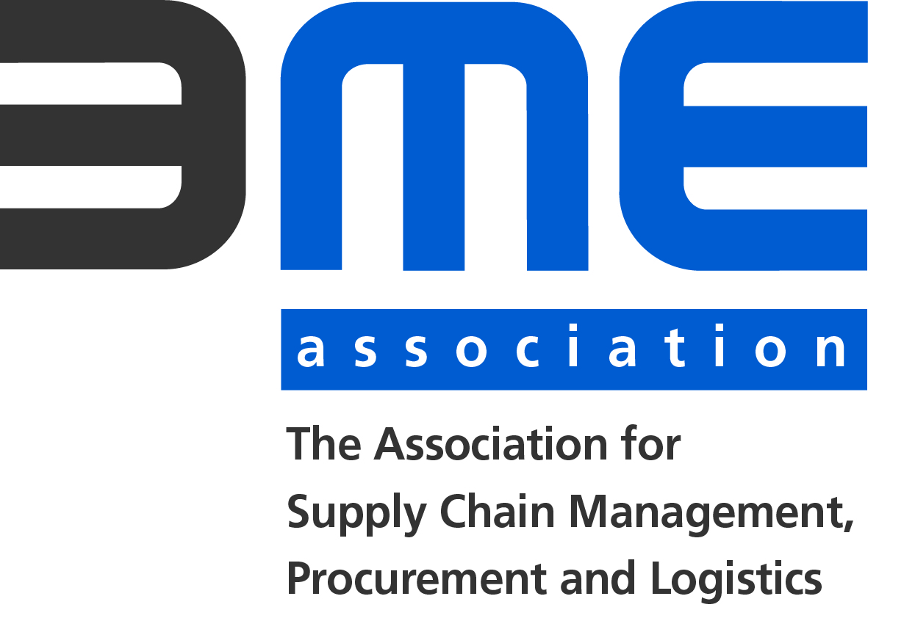
CEE Procurement and Supply Forum | 16 Oct 2018 | Prag

Short Profile Purchaser
Country |  | Germany | Germany | Germany | Germany | Germany
Company Name | KIRCHHOFF Automotive Deutschland GmbH | Kleemann GmbH a member of Wirtgen Group a branch of John Deere | Kremer-Kautschuk-Kunststoff GmbH & Co. KG | KROENERT GmbH & Co KG | Leadec Industrial Servcies | Leifheit AG
Employees buying company | total group: ~ 9.000 | 580 | approx. 100 | 299 | 17000 | ca .1000
Turnover buying company in EUR | ~ 1.600 Mio p. a. | 260 | approx. 19 m | disclosed | MEUR 850 | ca. 50 000 000 €
Correspondence Language(s) | DE/EN | DE / EN | e.g. DE / EN | DE / EN | DE / EN | e.g. DE
Company-Homepage | www.kirchhoff-automotive.com | www.kleemann.info | www.kremer.de | www.kroenert.de | www.leadec-services.com | www.leifheit.com
What is the Company’s Industry / Business Sector | Automotive Metal Components | Production of crushers (Heavy duty machines) | Production of rubber and plastic parts for automotive and electronic industrie also for medical and safety parts | Machinery | industrial services
Are you generally interested in Metal Working? Stamped/ turned/ milled/ pressed/ welded parts, tubes, coils, forging, casting (alu, steel, investment, bronze, iron, grey, spheroidal, …) etc. | yes | yes | no | Yes | yes | yes
Are you generally interested in Plastics / Electronics? pressed, stamped, moulded parts, motors, cable wires, etc. | plastics: yes (moulded parts) / electronics: no | no | yes | No | yes | yes
Are you generally interested in Complementary Goods? O-Rings, screws, … | yes: fasteners (e. g. nuts, bushings, screws, rivets etc.), metal wire parts | no | no | No | no | yes
Are you generally interested in one of the following? paintings, surface treatment, tool construction | yes | no | no | No | no | yes
Products of current interest | additionally: aluminum sections/profiles, metal stamping dies (manual, progressive and transfer dies), investment goods: welding and automation lines for automotive metal assemblies | Heavy duty welded parts from 8 t up to 15 t, Dimensions LxWxH: 12-15,5 x 3-4 x 3 m incl. Final painting (wet or powder painting) | molded rubber parts | 1. Metal Parts (Production Lots: 100 - 300); Shafts, toothed shafts, pinion shafts, spur wheels, bevel gears 2. Drive Systems; Electric motors, gears 3. Komplex parts (Production Lots: 1!); needing 5 axis machining from 1.000 mm - 3.000 mm length, eg. made of stainless steel 1.4571, with toothing and hardened surfaces 4. Worldwide services (Mounting, Electric installation, Piping) | - electrical installation (building installation, shell (frame) installation, machine / robot installation; - mechanical installation; - relocation of machines; - robot programming (KRC4 for KUKA, VKRC4 for VW); SPS programming (ET200S-training); commissioning | metall, elektronic
Interested in Mass Production | yes | yes | yes | See Products: Lot size 1 - 300 max | no | yes
Supplier's Export Share (%) | >= 50 % | 50 |  | 0.8 |  | not important
Which certificates are a must have for a supplier? | ISO 9001, IATF 16949, ISO 14001 | ISO 3834-3, DIN EN 1090-2, ISO 9001 | ISO 9001 It would be great if they have IATF 16949 | 9001 | none, experience in automotive industry nice to have | not important
Expected turnover of the supplier company in EUR | >= EUR 10 Mio p. a. | Short-term 1 Mio. € |  | depends on commodity |  | not important
Minimum employees the supplier company should have | >= 50 employees | 150 | 40 | 15 | depend on offered service | not important

CEE Procurement and Supply Forum | 16 Oct 2018 | Prag

Short Profile Purchaser
Country | Germany | DE | Deutschland bzw. Tschechien | Germany | Czech Republic | Germany
Company Name | Liebherr-Werk Biberach GmbH (Tower Cranes) | LTB Leitungsbau GmbH | Miele technika s.r.o. | OSBORN International GmbH | Paul Wurth a.s. | Robel Bahnbaumaschinen GmbH
Employees buying company | 1400 | 400 | 20.000 | 1300 | no | 540
Turnover buying company in EUR | 400MEUR | 80 Mio | ca. 4 Milliarden | 200000000 | yes | 90 Mio €
Correspondence Language(s) | DE/EN | DE | DE/EN | EN | e.g. EN | DE / EN
Company-Homepage | www.liebherr.com | www.ltb-leitungsbau.de | www.miele.com | www.osborn.com | www.paulwurth.com | www.robel.com
What is the Company’s Industry / Business Sector | Construction Machinery | engineering and building von overhead power lines | Household Appliances | Brushes / metals | Steel Industry | railway maintainance vehicles and machinery
Are you generally interested in Metal Working? Stamped/ turned/ milled/ pressed/ welded parts, tubes, coils, forging, casting (alu, steel, investment, bronze, iron, grey, spheroidal, …) etc. | yes | yes | yes | Yes | yes | yes
Are you generally interested in Plastics / Electronics? pressed, stamped, moulded parts, motors, cable wires, etc. | yes | no | yes | no | no | yes
Are you generally interested in Complementary Goods? O-Rings, screws, … | no | no | yes | Yes | yes | no
Are you generally interested in one of the following? paintings, surface treatment, tool construction | yes | painting | no | yes | yes | yes
Products of current interest | welded steel constructions, welded sheet metal structures, forgings, milled or turned parts, electric drives | erection works for lattice towers, painting on lattice towers, engineering services | please, list here all products you are currently looking for | wire, filaments, stamping, punching, stainless steel, minerals, grain, fiber glass, nuts, teflon | all different types of weldments | gear wheels, weldings, welding modules optional icluding painting, aluminium casting
Interested in Mass Production | no | no | yes | Yes | no | no
Supplier's Export Share (%) | 0.5 | - | Ball-bearing, switches, stamping parts, metal tubes, foam-material, cable harness, bitumen products (isolation) | n/a | not specified
Which certificates are a must have for a supplier? | DIN EN 1090 for welding, 3834 for welding, ISO 9001 in general | - | non, but ISO 9001 is nice to have. | ISO 9001 | ISO 9001 | welding certificate, ISO9001
Expected turnover of the supplier company in EUR | 5MEUR | - |  | n/a | not specified
Minimum employees the supplier company should have | 30 | smaller, family owned companies prefered | 20 | n/a | 10

CEE Procurement and Supply Forum | 16 Oct 2018 | Prag

Short Profile Purchaser
Country | Germany | Italy | Germany | Germany | Germany | Sweden/Germany/Netherlands
Company Name | Scheidt & Bachmann GmbH | Schlegel International (GIESSE S.p.A) | Sikora AG | SMS Group GmbH | Thielenhaus Technologies GmbH | Vattenfall
Employees buying company | > 3.200 | 500 | ca.200 | 7000 | 200 | over 20.000
Turnover buying company in EUR | > 380 Mio. € | 85.000.000/year |  | 2100000000 |  | 2,332 M Euro
Correspondence Language(s) | DE / EN | IT / EN | e.g. DE / EN | DE / EN | DE / EN | EN / DE / SE
Company-Homepage | www.scheidt-bachmann.de | www.schlegel.com ; www.giesse.it | www.sikora.net | https://www.sms-group.com/ | https://www.thielenhaus.com/de | https://corporate.vattenfall.com/
What is the Company’s Industry / Business Sector | capital goods | international Group in the sector of aluminium window hardware | Measurment devices | Steel & aluminum industry | manufacturer of microfinish machinery and gear boxes | Utility / Energy
Are you generally interested in Metal Working? Stamped/ turned/ milled/ pressed/ welded parts, tubes, coils, forging, casting (alu, steel, investment, bronze, iron, grey, spheroidal, …) etc. | yes | yes | yes | yes / no | yes | partly
Are you generally interested in Plastics / Electronics? pressed, stamped, moulded parts, motors, cable wires, etc. | yes | yes: plastis injection | yes | yes / no | yes | NO
Are you generally interested in Complementary Goods? O-Rings, screws, … | yes | yes: screws, pins | yes / no | yes / no | yes | NO
Are you generally interested in one of the following? paintings, surface treatment, tool construction | yes | yes | no | yes / no | yes | YES
Products of current interest | Metal Working painting, surface treatment Electronics(cable wires, throttle, coil, magnets) | zamak diecastin, aluminum diecasting, plastic injection, metal punching/blanking, screws and pins both standard and/or according to special specification | CNC-Milling parts with high tolerance | steel construction incl. assembly/design, milling turning (low/middle complexity) with low quantity, turning parts ( middle komplixity >Ø800mm, Assembly units acc. our drawing weight >20t, Casting parts with machining >500kg with low quantity, | e.g. metal parts (drawing), machine colum, cast, gearing, output shaft | E-meters; e-mobility; cabels; companies for maintanance work
Interested in Mass Production | no | yes | no | yes / no | no | YES
Supplier's Export Share (%) | > 10% |  |  | >60% |  | NA
Which certificates are a must have for a supplier? | DIN EN 9001 | quality certifications: ISO 9001 |  | ISO 9001, ISO 14001 |  | Following EU law + depending on project
Expected turnover of the supplier company in EUR | 1 Mio. € |  |  | 50.000 - 200.000 (depending on part) |  | NA
Minimum employees the supplier company should have | > 25 |  |  | 25 |  | NA

CEE Procurement and Supply Forum | 16 Oct 2018 | Prag

Short Profile Purchaser
Country | Germany
Company Name | Zimmer GmbH
Employees buying company | 850
Turnover buying company in EUR | 90 Mio.
Correspondence Language(s) | e.g. DE / EN
Company-Homepage | www.zimmer-group.de
What is the Company’s Industry / Business Sector | Handling system, linear system
Are you generally interested in Metal Working? Stamped/ turned/ milled/ pressed/ welded parts, tubes, coils, forging, casting (alu, steel, investment, bronze, iron, grey, spheroidal, …) etc. | yes
Are you generally interested in Plastics / Electronics? pressed, stamped, moulded parts, motors, cable wires, etc. | yes
Are you generally interested in Complementary Goods? O-Rings, screws, … | no
Are you generally interested in one of the following? paintings, surface treatment, tool construction | no
Products of current interest | turning and milling parts, sheet metalls, electronic parts, welded assemblies,
Interested in Mass Production | no
Supplier's Export Share (%)
Which certificates are a must have for a supplier? | ISO9001
Expected turnover of the supplier company in EUR
Minimum employees the supplier company should have | 20

